MangroveToReef
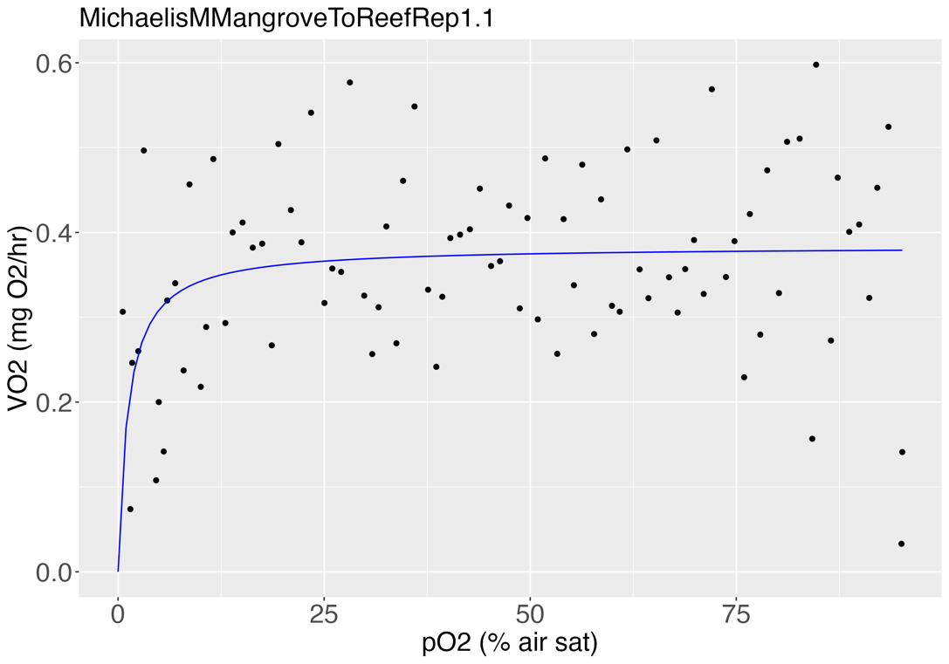
MangrovetoReef
Rep 1
Parameter estimates: |  |  | Tpos | relative
 |  |  | Rep 1 | 1.319634723
 | Estimate | Std. Error t-value p-value | Rep 2 | 1.1961311823
d:(Intercept) | 0.383826 | 0.015904 24.1346 < 2e-16 *** | Rep 3 | 1.1355319588
e:(Intercept) | 1.210528 | 0.682447 1.7738 0.07964 . | Rep 4 | 1.4687015736
--- |  |  | Rep 5 | 1.4004384892
Signif. codes: 0 ‘***’ 0.001 ‘**’ 0.01 ‘*’ 0.05 ‘.’ 0.1 ‘ ’ 1 |  |  | Rep 6 | 1.3669349069

Residual standard error: |  |  | Average | 1.31
0.1092062 (86 degrees of freedom) |  |  | SD | 0.14
 |  |  | SE | 0.06
RSS | 1.025636
AIC | -136.0449

Tpos | 1.319634723

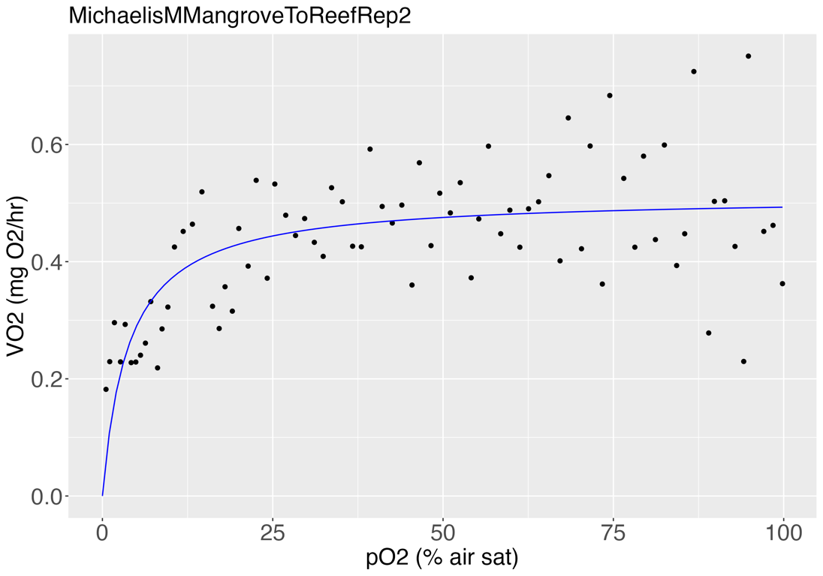
 |  |  | Pcmax | % air sat | mg/L
Rep 2 |  |  | Rep 1 | 1 | 0.077
Parameter estimates: |  |  | Rep 2 | 4 | 0.307
 |  |  | Rep 3 | 1 | 0.077
 | Estimate | Std. Error t-value p-value | Rep 4 | 3 | 0.230
d:(Intercept) | 0.511857 | 0.019433 26.3393 < 2.2e-16 *** | Rep 5 | 4 | 0.307
e:(Intercept) | 3.829715 | 1.078988 3.5494 0.0006707 *** | Rep 6 | 2 | 0.154
---
Signif. codes: 0 ‘***’ 0.001 ‘**’ 0.01 ‘*’ 0.05 ‘.’ 0.1 ‘ ’ 1 |  |  | Average | 2.50 | 0.19
 |  |  | SD | 1.38 | 0.11
Residual standard error: |  |  | SE | 0.56 | 0.04
0.09487222 (75 degrees of freedom)

RSS | 0.6750554
AIC | -140.2144

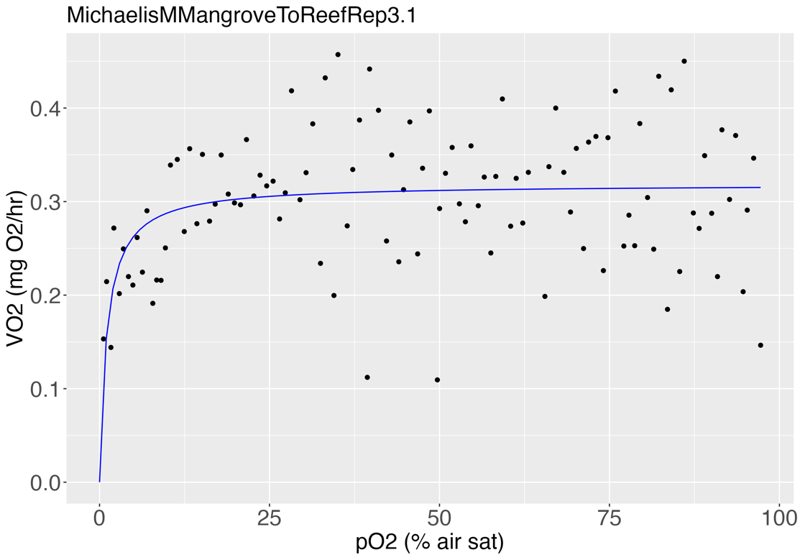
Tpos | 1.1961311823 |  | Pcmin | % air sat | mg/L
 |  |  | Rep 1 | 99 | 7.601
 |  |  | Rep 2 | 100 | 7.678
Rep 3 |  |  | Rep 3 | 99 | 7.601
Parameter estimates: |  |  | Rep 4 | 96 | 7.371
 |  |  | Rep 5 | 99 | 7.601
 | Estimate | Std. Error t-value p-value | Rep 6 | 98 | 7.524
d:(Intercept) | 0.3185439 | 0.0087327 36.4770 < 2e-16 ***
e:(Intercept) | 1.0634442 | 0.4194439 2.5354 0.01271 * | Average | 98.50 | 7.56
--- |  |  | SD | 1.38 | 0.11
Signif. codes: 0 ‘***’ 0.001 ‘**’ 0.01 ‘*’ 0.05 ‘.’ 0.1 ‘ ’ 1 |  |  | SE | 0.56 | 0.04

Residual standard error:
0.06907503 (105 degrees of freedom)

RSS | 0.5009928
AIC | -264.2943

Tpos | 1.1355319588

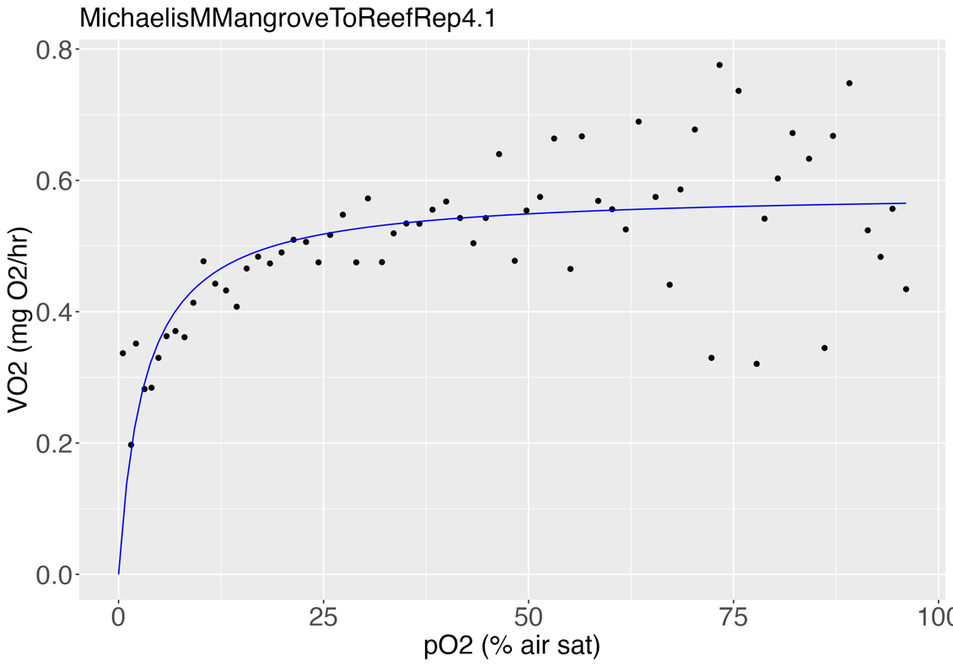
Rep 4
Parameter estimates:

 | Estimate | Std. Error t-value p-value
d:(Intercept) | 0.583678 | 0.020055 29.1032 < 2.2e-16 ***
e:(Intercept) | 3.160181 | 0.889547 3.5526 0.0007357 ***
---
Signif. codes: 0 ‘***’ 0.001 ‘**’ 0.01 ‘*’ 0.05 ‘.’ 0.1 ‘ ’ 1

Residual standard error:
0.0922751 (62 degrees of freedom)

RSS | 0.5279111
AIC | -119.4293

Tpos | 1.4687015736

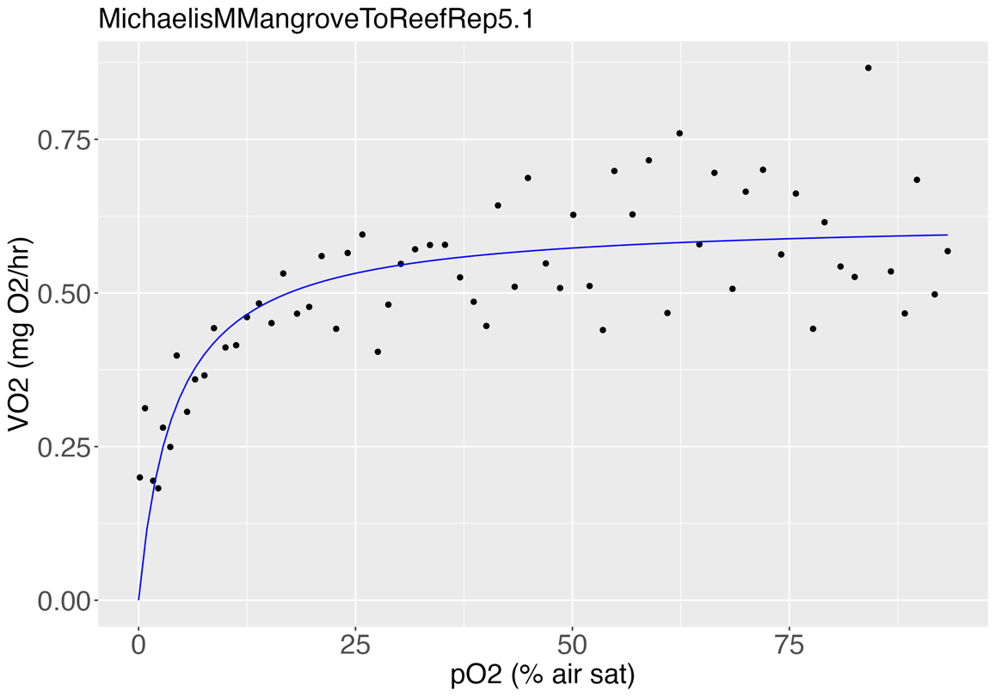
Rep 5
Parameter estimates:

 | Estimate | Std. Error t-value p-value
d:(Intercept) | 0.621124 | 0.021422 28.9946 < 2.2e-16 ***
e:(Intercept) | 4.185664 | 0.976917 4.2846 6.726e-05 ***
---
Signif. codes: 0 ‘***’ 0.001 ‘**’ 0.01 ‘*’ 0.05 ‘.’ 0.1 ‘ ’ 1

Residual standard error:
0.08937272 (60 degrees of freedom)

RSS | 0.479249
AIC | -119.5371

Tpos | 1.4004384892

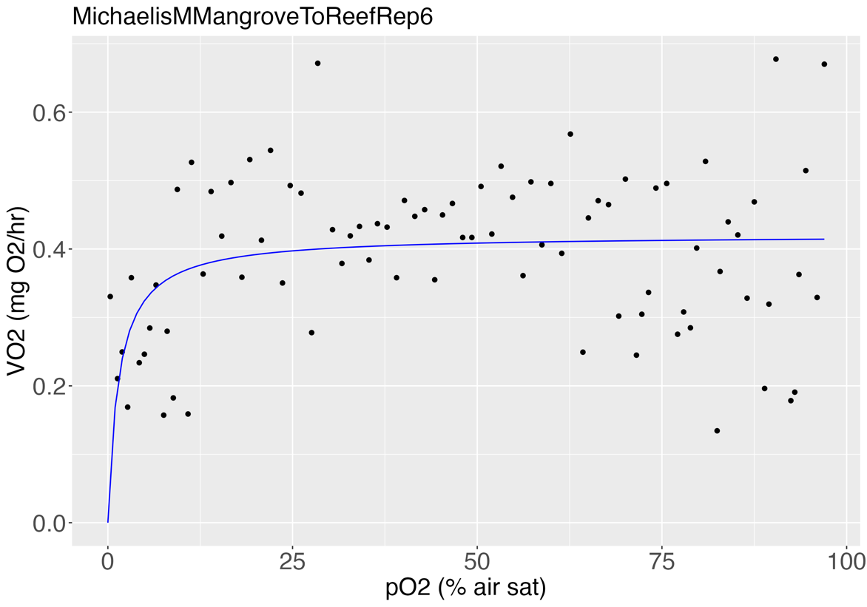
Rep 6
Parameter estimates:

 | Estimate | Std. Error t-value p-value
d:(Intercept) | 0.420613 | 0.017782 23.6537 < 2e-16 ***
e:(Intercept) | 1.468675 | 0.790201 1.8586 0.06663 .
---
Signif. codes: 0 ‘***’ 0.001 ‘**’ 0.01 ‘*’ 0.05 ‘.’ 0.1 ‘ ’ 1

Residual standard error:
0.1150134 (83 degrees of freedom)

RSS | 1.09793
AIC | -122.4645

Tpos | 1.3669349069

Average Tpos | 1.314562139

WildMangrove
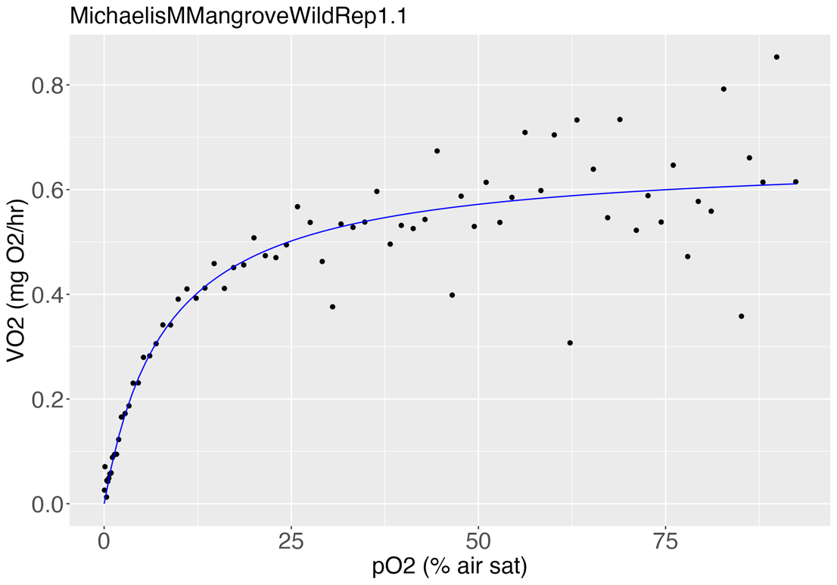
Wild Mangrove
Rep 1
Parameter estimates:
 |  |  | Tpos | relative
 | Estimate | Std. Error t-value p-value | Rep 1 | 1.1069267336
d:(Intercept) | 0.664577 | 0.022862 29.0692 < 2.2e-16 *** | Rep 2 | 1.2206519899
e:(Intercept) | 8.104851 | 1.282999 6.3171 1.954e-08 *** | Rep 3 | 2.9765625402
--- |  |  | Rep 4 | 1.6636235162
Signif. codes: 0 ‘***’ 0.001 ‘**’ 0.01 ‘*’ 0.05 ‘.’ 0.1 ‘ ’ 1 |  |  | Rep 5 | 1.9560647785
 |  |  | Rep 6 | 1.2061762721
Residual standard error:
0.07806058 (72 degrees of freedom) |  |  | Average | 1.69
 |  |  | SD | 0.73
RSS | 0.4387287 |  | SE | 0.33
AIC | -163.4646

Tpos | 1.1069267336

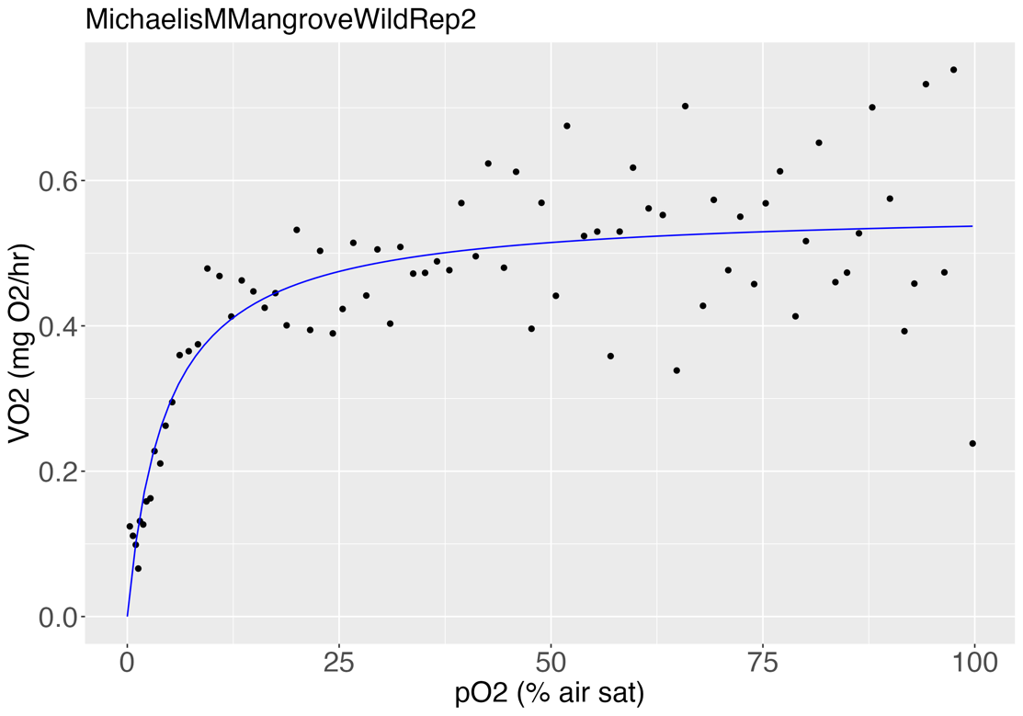
 |  |  | Pcmax | % air sat | mg/L
Rep 2 |  |  | Rep 1 | 8 | 0.61
Parameter estimates: |  |  | Rep 2 | 5 | 0.38
 |  |  | Rep 3 | 8 | 0.61
 | Estimate | Std. Error t-value p-value | Rep 4 | 9 | 0.69
d:(Intercept) | 0.56179 | 0.01763 31.8658 < 2.2e-16 *** | Rep 5 | 2 | 0.15
e:(Intercept) | 4.57628 | 0.89218 5.1293 2.257e-06 ***
---
Signif. codes: 0 ‘***’ 0.001 ‘**’ 0.01 ‘*’ 0.05 ‘.’ 0.1 ‘ ’ 1 |  |  | Average | 6.40 | 0.49
 |  |  | SD | 2.88 | 0.22
Residual standard error: |  |  | SE | 1.29 | 0.10
0.08674347 (74 degrees of freedom)

RSS | 0.5568078
AIC | -151.9577

Tpos | 1.2206519899 |  | Pcmin | % air sat | mg/L
 |  |  | Rep 1 | 97 | 7.45
 |  |  | Rep 2 | 99 | 7.60
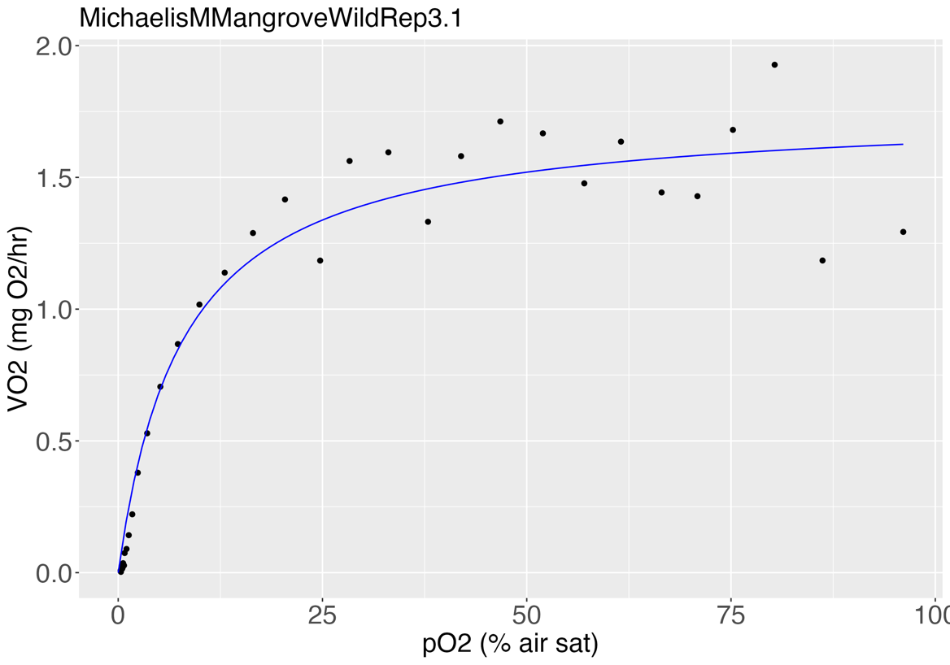
Rep 3 |  |  | Rep 3 | 96 | 7.37
Parameter estimates: |  |  | Rep 4 | 99 | 7.60
 |  |  | Rep 5 | 97 | 7.45
 | Estimate | Std. Error t-value p-value | Rep 6 | 99 | 7.60
d:(Intercept) | 1.758503 | 0.062815 27.995 < 2.2e-16 ***
e:(Intercept) | 7.853157 | 1.187536 6.613 1.214e-07 *** | Average | 97.83 | 7.51
--- |  |  | SD | 1.33 | 0.10
Signif. codes: 0 ‘***’ 0.001 ‘**’ 0.01 ‘*’ 0.05 ‘.’ 0.1 ‘ ’ 1 |  |  | SE | 0.54 | 0.04

Residual standard error:
0.1484803 (35 degrees of freedom)

RSS | 0.771624
AIC | -32.19505

Tpos | 2.9765625402

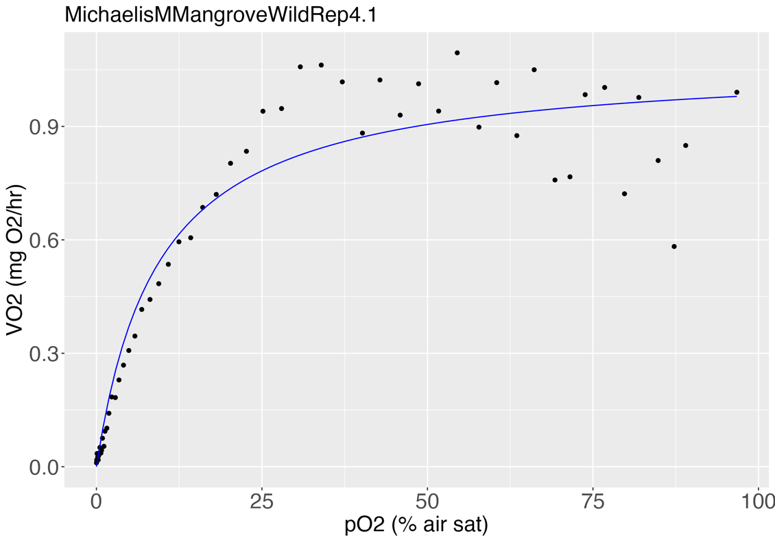
Rep 4
Parameter estimates:

 | Estimate | Std. Error t-value p-value
d:(Intercept) | 1.073425 | 0.037406 28.6966 < 2.2e-16 ***
e:(Intercept) | 9.292687 | 1.289527 7.2063 1.905e-09 ***
---
Signif. codes: 0 ‘***’ 0.001 ‘**’ 0.01 ‘*’ 0.05 ‘.’ 0.1 ‘ ’ 1

Residual standard error:
0.1088027 (54 degrees of freedom)

RSS | 0.6392537
AIC | -85.55599

Tpos | 1.6636235162

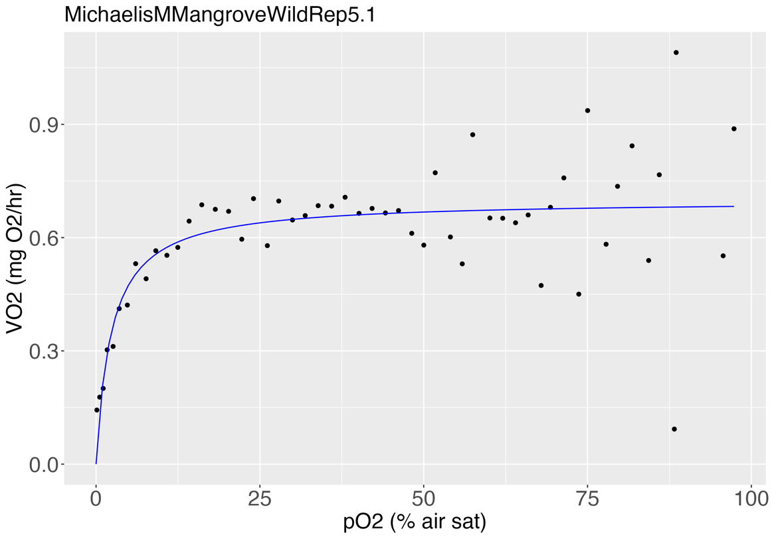
Rep 5
Parameter estimates:

 | Estimate | Std. Error t-value p-value
d:(Intercept) | 0.699058 | 0.027908 25.0487 <2e-16 ***
e:(Intercept) | 2.347047 | 0.801836 2.9271 0.0051 **
---
Signif. codes: 0 ‘***’ 0.001 ‘**’ 0.01 ‘*’ 0.05 ‘.’ 0.1 ‘ ’ 1

Residual standard error:
0.1362016 (51 degrees of freedom)

RSS | 0.9460942
AIC | -56.95489

Tpos | 1.9560647785

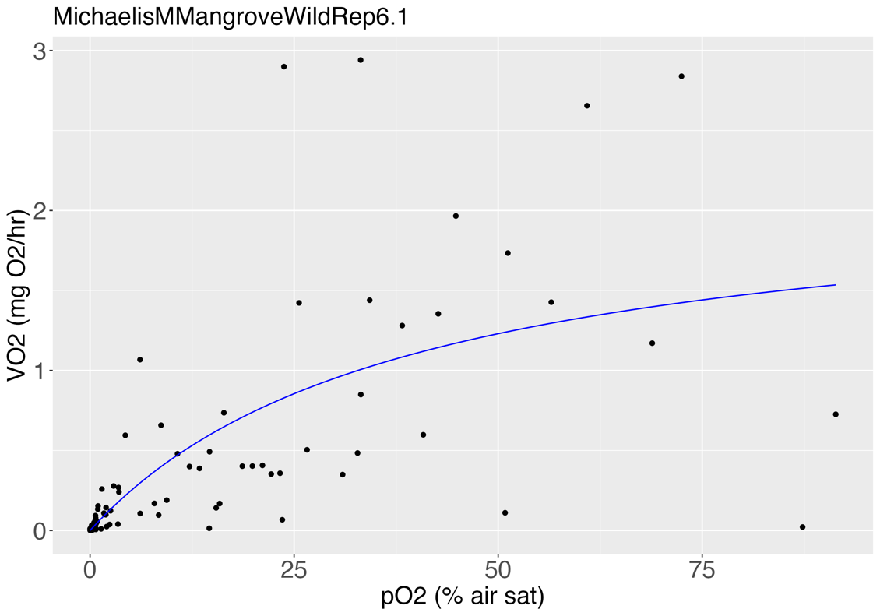
Rep 6
Parameter estimates:

 | Estimate | Std. Error t-value p-value
d:(Intercept) | 2.19136 | 0.55881 3.9215 0.0001642 ***
e:(Intercept) | 39.08032 | 19.06070 2.0503 0.0430321 *
---
Signif. codes: 0 ‘***’ 0.001 ‘**’ 0.01 ‘*’ 0.05 ‘.’ 0.1 ‘ ’ 1

Residual standard error:
0.474561 (97 degrees of freedom)

RSS | 21.84519
AIC | 137.3471

Tpos | 1.2061762721

Average Tpos | 1.6883343051

ReefToReef
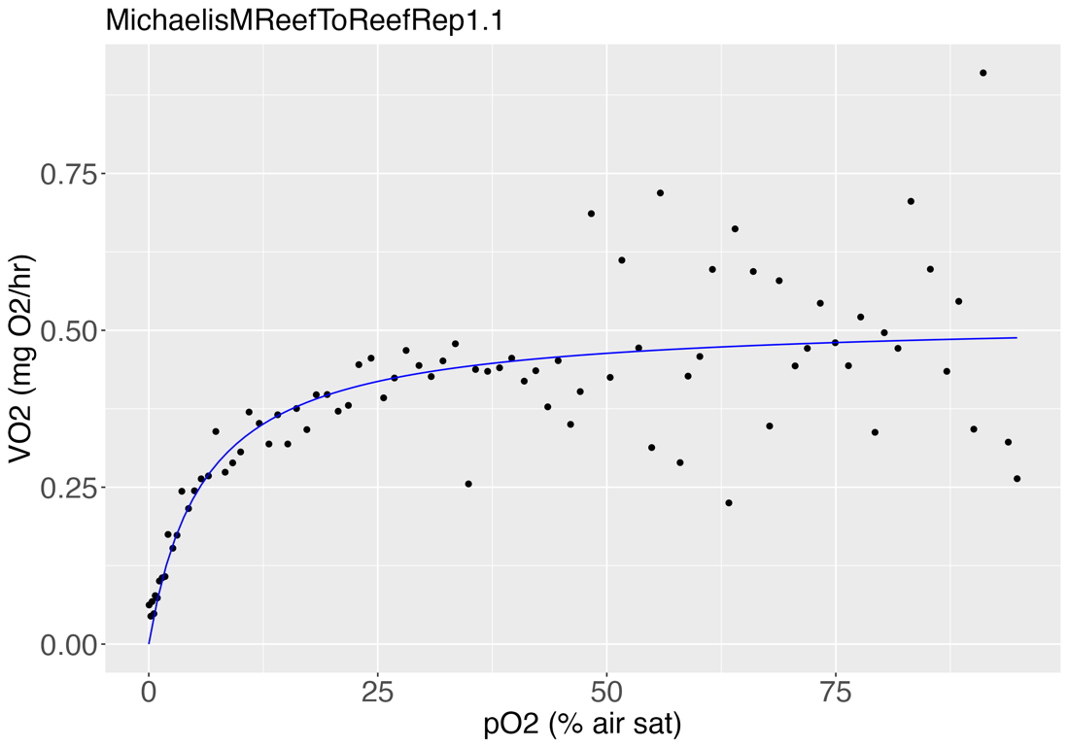
ReeftoReef
Rep 1
Parameter estimates:
 |  |  |  | Tpos | relative
 | Estimate | Std. Error t-value p-value | Rep | 1 | 1.00105212
d:(Intercept) | 0.518932 | 0.023442 22.1368 < 2.2e-16 *** |  | 2 | 1.4006034944
e:(Intercept) | 5.994752 | 1.486768 4.0321 0.0001232 *** |  | 3 | 1.1636273999
--- |  |  |  | 4 | 1.5741776188
Signif. codes: 0 ‘***’ 0.001 ‘**’ 0.01 ‘*’ 0.05 ‘.’ 0.1 ‘ ’ 1 |  |  |  | 5 | 1.5389905213
 |  |  |  | 6 | 1.6020293092
Residual standard error:
0.09960711 (82 degrees of freedom) |  |  |  | Average | 1.38
 |  |  |  | SD | 0.25
RSS | 0.8135692 |  |  | SE | 0.10
AIC | -145.1382

Tpos | 1.00105212

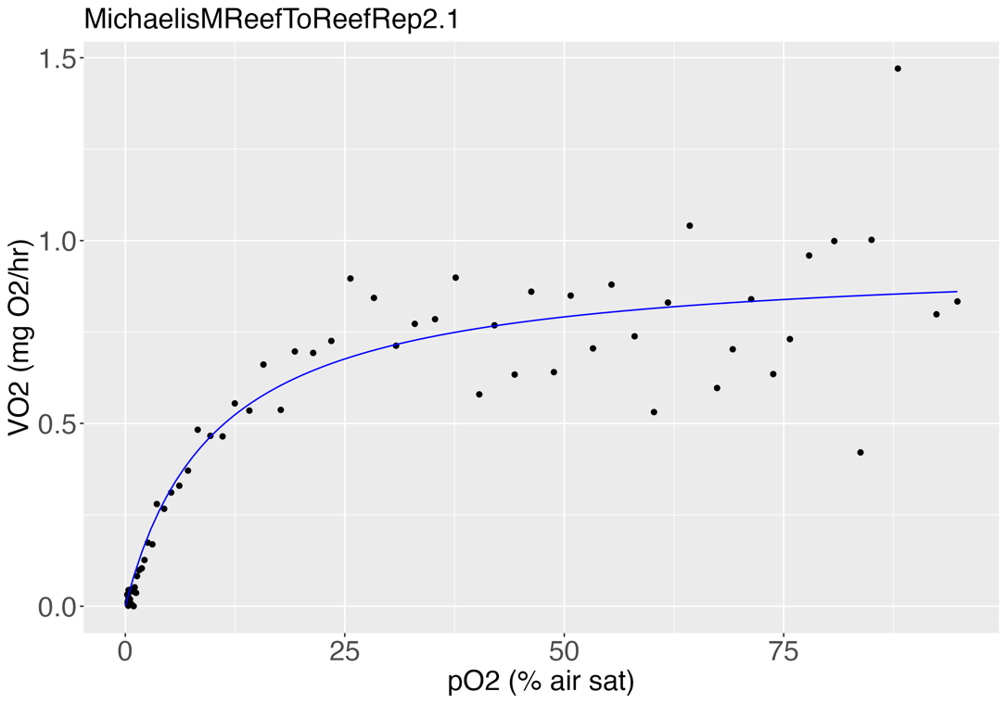
Rep 2
Parameter estimates:
 |  |  |  | Pcmax | % air sat | mg/L
 | Estimate | Std. Error t-value p-value |  | Rep 1 | 6 | 0.461
d:(Intercept) | 0.953415 | 0.043742 21.7964 < 2.2e-16 *** |  | Rep 2 | 10 | 0.768
e:(Intercept) | 10.242586 | 1.874340 5.4646 6.317e-07 *** |  | Rep 3 | 13 | 0.998
--- |  |  |  | Rep 4 | 7 | 0.537
Signif. codes: 0 ‘***’ 0.001 ‘**’ 0.01 ‘*’ 0.05 ‘.’ 0.1 ‘ ’ 1 |  |  |  | Rep 5 | 8 | 0.614
 |  |  |  | Rep 6 | 11 | 0.845
Residual standard error:
0.1256784 (72 degrees of freedom) |  |  |  | Average | 9.17 | 0.70
 |  |  |  | SD | 2.64 | 0.20
RSS | 1.137245 |  |  | SE | 1.08 | 0.08
AIC | -92.98088

Tpos | 1.4006034944

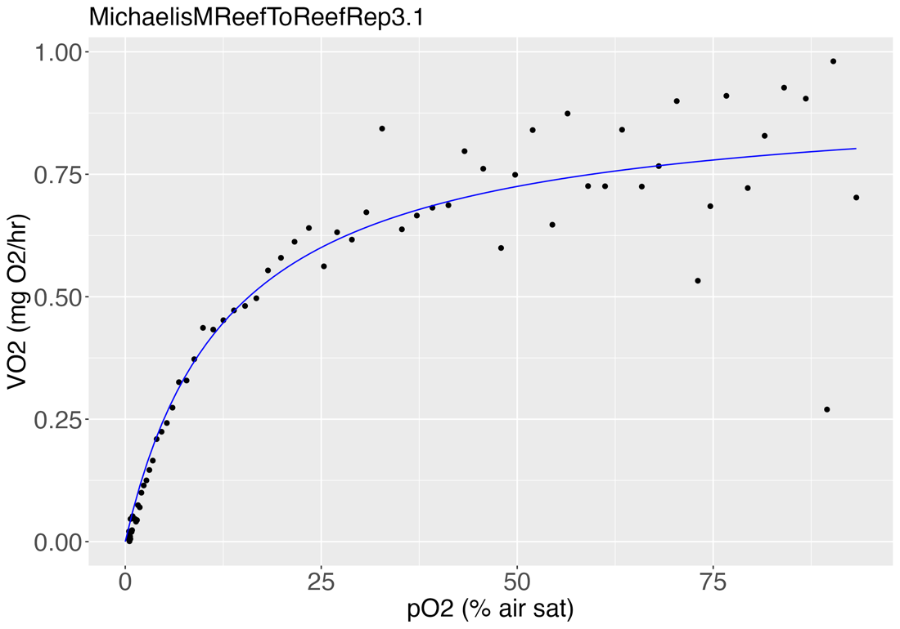
Rep 3 |  |  |  | Pcmin | % air sat | mg/L
Parameter estimates: |  |  |  | Rep 1 | 96 | 7.371
 |  |  |  | Rep 2 | 97 | 7.447
 | Estimate | Std. Error t-value p-value |  | Rep 3 | 95 | 7.294
d:(Intercept) | 0.915192 | 0.035467 25.8039 < 2.2e-16 *** |  | Rep 4 | 95 | 7.294
e:(Intercept) | 13.100498 | 1.787273 7.3299 2.712e-10 *** |  | Rep 5 | 91 | 6.987
--- |  |  |  | Rep 6 | 97 | 7.447
Signif. codes: 0 ‘***’ 0.001 ‘**’ 0.01 ‘*’ 0.05 ‘.’ 0.1 ‘ ’ 1
 |  |  |  | Average | 95.17 | 7.31
Residual standard error: |  |  |  | SD | 2.23 | 0.17
0.09161471 (72 degrees of freedom) |  |  |  | SE | 0.91 | 0.07

RSS | 0.6043144
AIC | -139.7688

Tpos | 1.1636273999

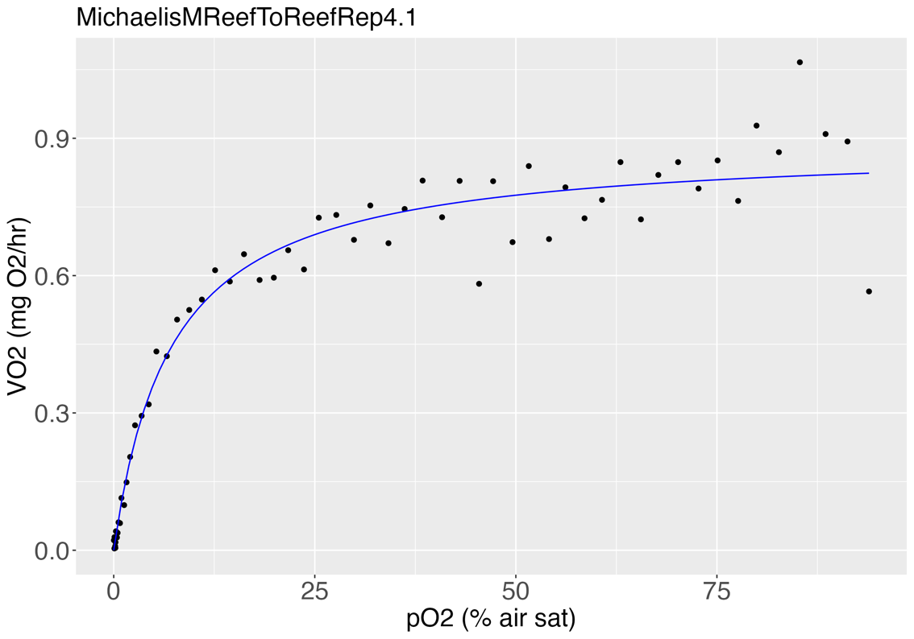
Rep 4
Parameter estimates:

 | Estimate | Std. Error t-value p-value
d:(Intercept) | 0.886291 | 0.021942 40.392 < 2.2e-16 ***
e:(Intercept) | 7.131192 | 0.866383 8.231 2.514e-11 ***
---
Signif. codes: 0 ‘***’ 0.001 ‘**’ 0.01 ‘*’ 0.05 ‘.’ 0.1 ‘ ’ 1
 |  |  | ***
Residual standard error:
0.06902128 (58 degrees of freedom)

RSS | 0.2763084
AIC | -146.5623

Tpos | 1.5741776188

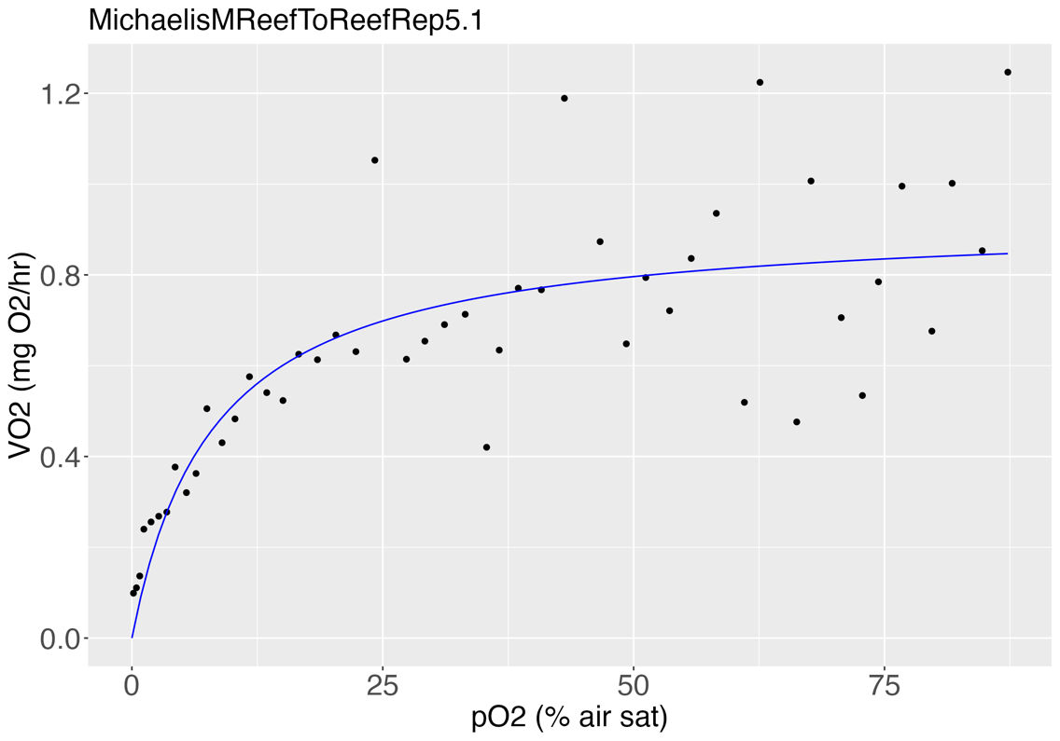
Rep 5
Parameter estimates:

 | Estimate | Std. Error t-value p-value
d:(Intercept) | 0.925741 | 0.063591 14.5578 < 2e-16 ***
e:(Intercept) | 8.134933 | 2.561823 3.1754 0.00267 **
---
Signif. codes: 0 ‘***’ 0.001 ‘**’ 0.01 ‘*’ 0.05 ‘.’ 0.1 ‘ ’ 1

Residual standard error:
0.1685193 (46 degrees of freedom)

RSS | 1.306343
AIC | -30.77244

Tpos | 1.5389905213

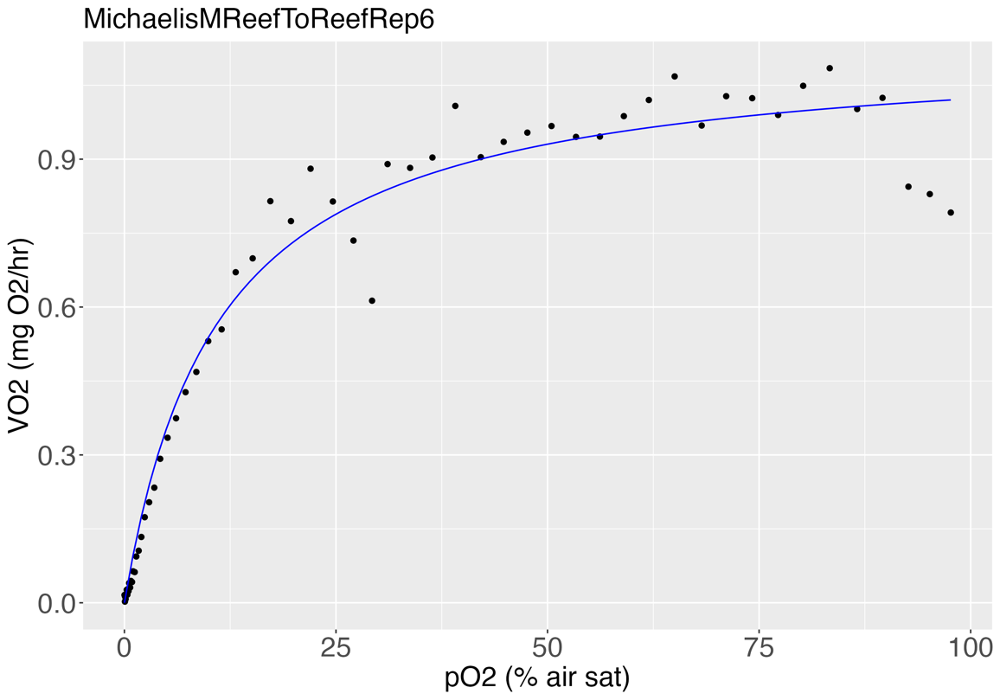
Rep 6
Parameter estimates:

 | Estimate | Std. Error t-value p-value
d:(Intercept) | 1.134995 | 0.025695 44.172 < 2.2e-16 ***
e:(Intercept) | 10.989817 | 0.968726 11.345 < 2.2e-16 ***
---
Signif. codes: 0 ‘***’ 0.001 ‘**’ 0.01 ‘*’ 0.05 ‘.’ 0.1 ‘ ’ 1

Residual standard error:
0.06771648 (60 degrees of freedom)

RSS | 0.2751313
AIC | -153.9454

Tpos | 1.6020293092

Average Tpos | 1.3800800773

WildReef
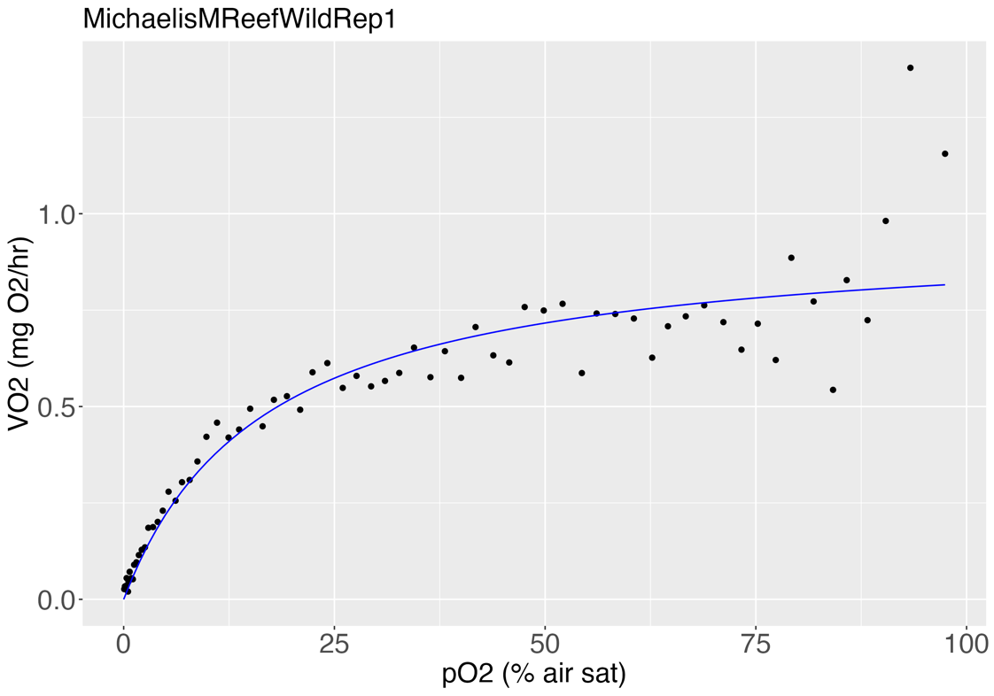
Wild Reef
Rep 1
Parameter estimates:
 |  |  | Tpos | relative
 | Estimate | Std. Error t-value p-value | Rep 1 | 1.0412795364
d:(Intercept) | 0.954795 | 0.051702 18.4672 < 2.2e-16 *** | Rep 2 | 2.0200015698
e:(Intercept) | 16.625629 | 3.042102 5.4652 7.346e-07 *** | Rep 3 | 0.8969411162
--- |  |  | Rep 4 | 1.3740280994
Signif. codes: 0 ‘***’ 0.001 ‘**’ 0.01 ‘*’ 0.05 ‘.’ 0.1 ‘ ’ 1 |  |  | Rep 5 | 1.0597192664
 |  |  | Rep 6 | 1.3667758937
Residual standard error:
0.1035694 (67 degrees of freedom) |  |  | Average | 1.29
 |  |  | SD | 0.43
RSS | 0.7186833 |  | SE | 0.19
AIC | -113.1329

Tpos | 1.0412795364

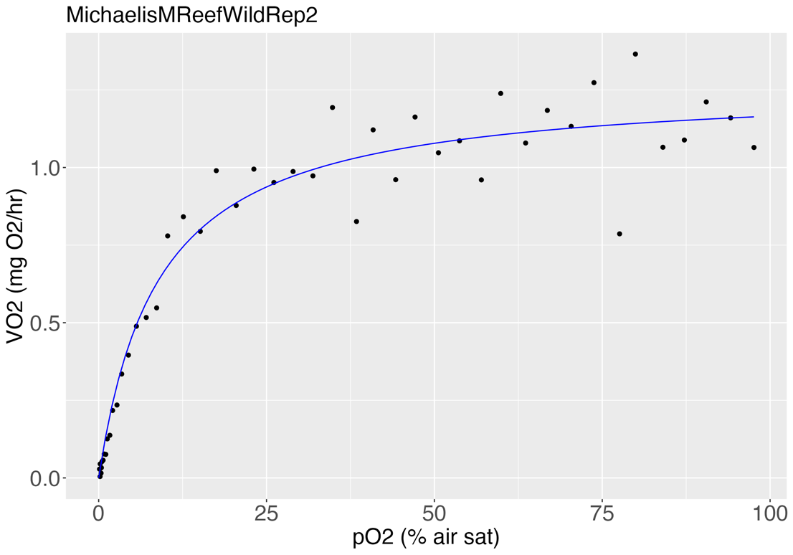
Rep 2 |  |  | Pcmax | % air sat | mg/L
Parameter estimates: |  |  | Rep 1 | 17 | 1.31
 |  |  | Rep 2 | 9 | 0.69
 | Estimate | Std. Error t-value p-value | Rep 3 | 15 | 1.15
d:(Intercept) | 1.268337 | 0.036358 34.8847 < 2.2e-16 *** | Rep 4 | 11 | 0.84
e:(Intercept) | 8.831358 | 1.101326 8.0188 3.236e-10 *** | Rep 5 | 15 | 1.15
--- |  |  | Rep 6 | 9 | 0.69
Signif. codes: 0 ‘***’ 0.001 ‘**’ 0.01 ‘*’ 0.05 ‘.’ 0.1 ‘ ’ 1
 |  |  | Average | 12.67 | 0.97
Residual standard error: |  |  | SD | 3.44 | 0.26
0.09832658 (45 degrees of freedom) |  |  | SE | 1.41 | 0.11

RSS | 0.4350653
AIC | -80.6929

Tpos | 2.0200015698
 |  |  | Pcmin | % air sat | mg/L
 |  |  | Rep 1 | 97 | 7.45
Rep 3 |  |  | Rep 2 | 97 | 7.45
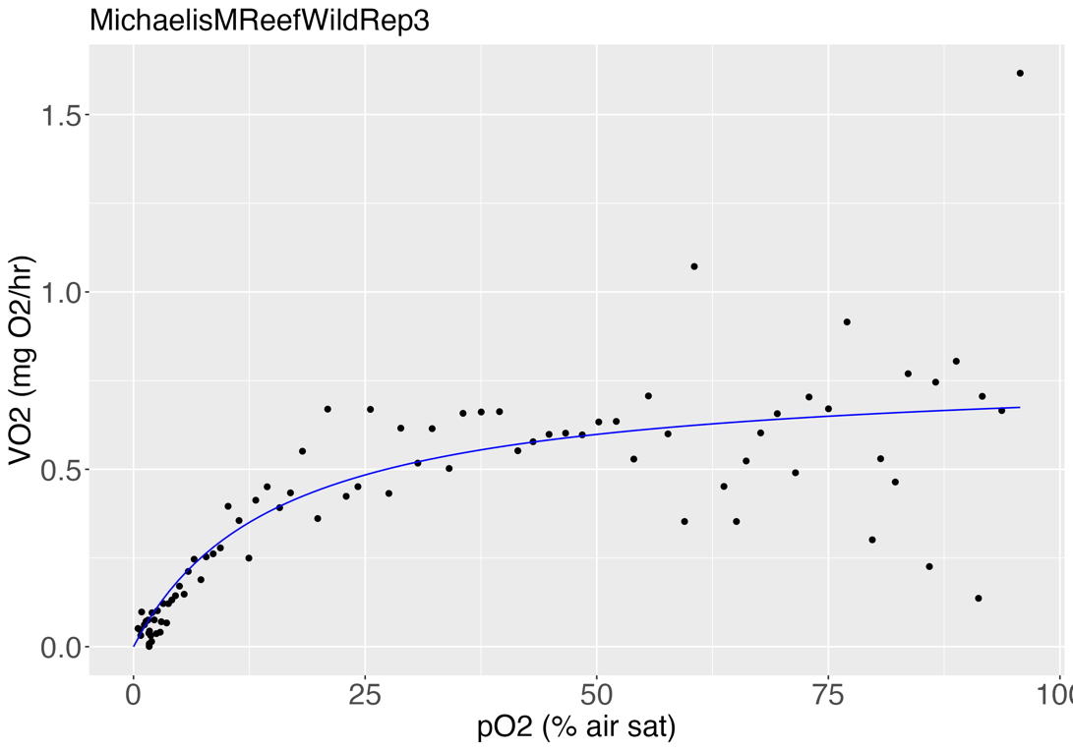
Parameter estimates: |  |  | Rep 3 | 95 | 7.29
 |  |  | Rep 4 | 98 | 7.52
 | Estimate | Std. Error t-value p-value | Rep 5 | 97 | 7.45
d:(Intercept) | 0.783397 | 0.060472 12.9547 < 2.2e-16 *** | Rep 6 | 97 | 7.45
e:(Intercept) | 15.452359 | 3.963108 3.8991 0.0001937 ***
--- |  |  | Average | 96.83 | 7.43
Signif. codes: 0 ‘***’ 0.001 ‘**’ 0.01 ‘*’ 0.05 ‘.’ 0.1 ‘ ’ 1 |  |  | SD | 0.98 | 0.08
 |  |  | SE | 0.40 | 0.03
Residual standard error:
0.1672816 (84 degrees of freedom)

RSS | 2.350582
AIC | -59.51541

Tpos | 0.8969411162

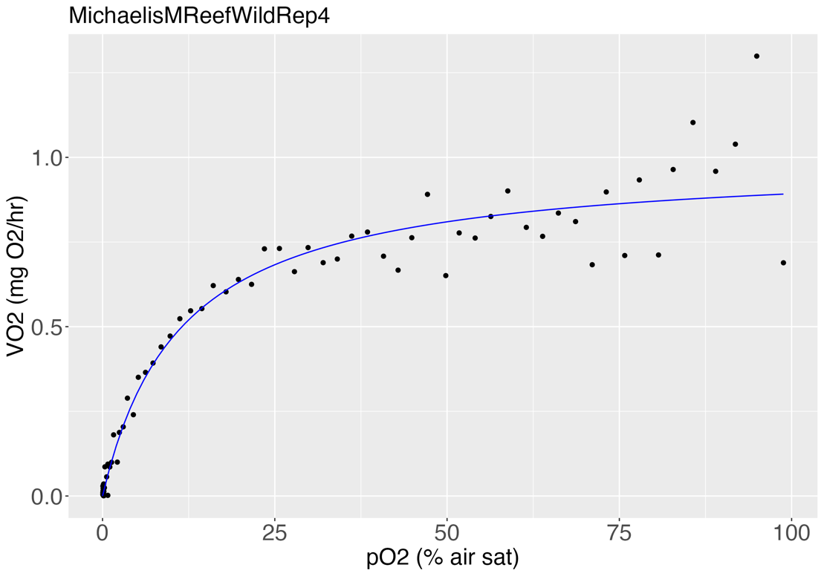
Rep 4
Parameter estimates:

 | Estimate | Std. Error t-value p-value
d:(Intercept) | 0.994279 | 0.029006 34.278 < 2.2e-16 ***
e:(Intercept) | 11.39878 | 1.335532 8.535 2.557e-13 ***
---
Signif. codes: 0 ‘***’ 0.001 ‘**’ 0.01 ‘*’ 0.05 ‘.’ 0.1 ‘ ’ 1

Residual standard error:
0.07310733 (93 degrees of freedom)

RSS | 0.4970554
AIC | -223.4301

Tpos | 1.3740280994

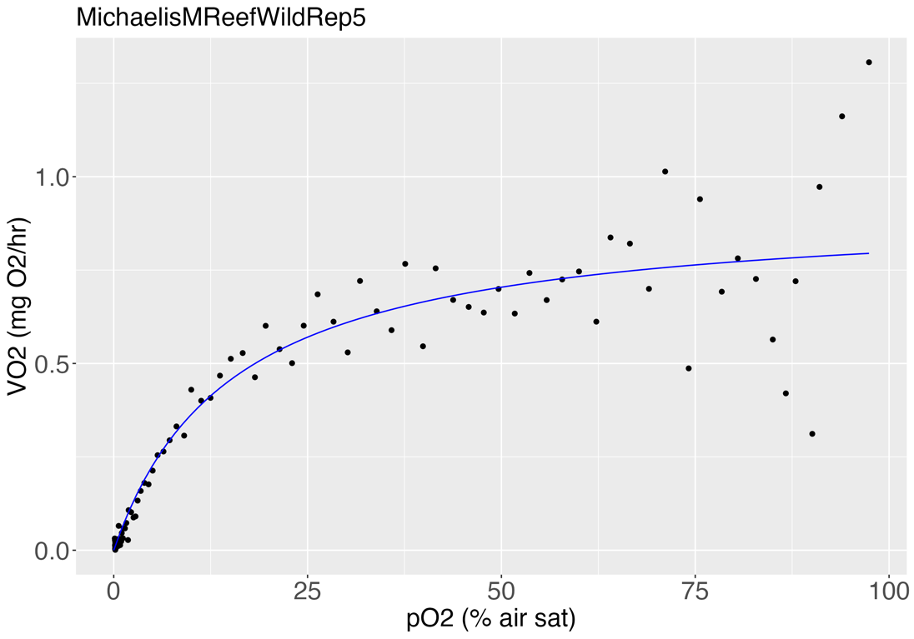
Rep 5
Parameter estimates:

 | Estimate | Std. Error t-value p-value
d:(Intercept) | 0.919542 | 0.044477 20.6747 < 2.2e-16 ***
e:(Intercept) | 15.298768 | 2.527550 6.0528 2.44e-08 ***
---
Signif. codes: 0 ‘***’ 0.001 ‘**’ 0.01 ‘*’ 0.05 ‘.’ 0.1 ‘ ’ 1

Residual standard error:
0.1080106 (101 degrees of freedom)

RSS | 1.178296
AIC | -162.1766

Tpos | 1.0597192664

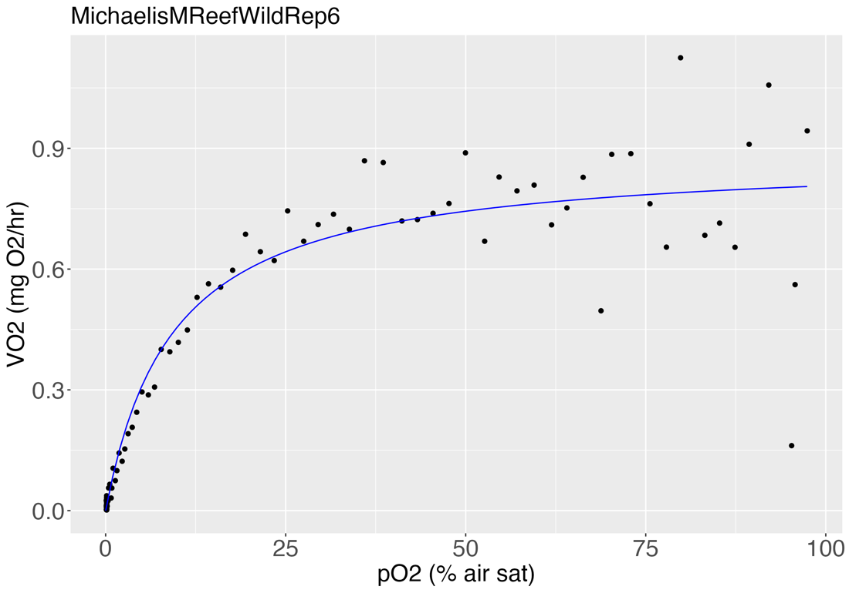
Rep 6
Parameter estimates:

 | Estimate | Std. Error t-value p-value
d:(Intercept) | 0.8819 | 0.03195 27.6026 < 2.2e-16 ***
e:(Intercept) | 9.2929 | 1.41652 6.5604 3.098e-09 ***
---
Signif. codes: 0 ‘***’ 0.001 ‘**’ 0.01 ‘*’ 0.05 ‘.’ 0.1 ‘ ’ 1

Residual standard error:
0.1036431 (92 degrees of freedom)

RSS | 0.9882539
AIC | -155.4199

Tpos | 1.3667758937

Average Tpos | 1.293124247

